Miscellaneous
PROPERTY OVERVIEW
Location context, visuals, demographics, and qualitative assessment

PROPERTY LINKS
Property Name | Whaleshead Beach Resort
Address | 19921 Whaleshead Rd, Brookings, OR
Property Type | Hybrid
Total Units | 127
County | Curry
Asking Price | 10000000
CoStar Link
Property Website
Broker / OM
County Assessor
FEMA Flood Map

DEMOGRAPHICS
County Population
5-Year Population Growth
Median Household Income
Unemployment Rate
Top Employers

ALTERNATIVE HOUSING (affordability)
Avg Single-Family Home Price
Avg 1BR Apartment Rent
Avg 2BR Apartment Rent
Avg 3BR Apartment Rent
MHP All-In Monthly Cost
MHP Savings vs 2BR Apt

AERIAL & LOCATION MAP
Satellite / Aerial |  | Roadmap (with landmarks)
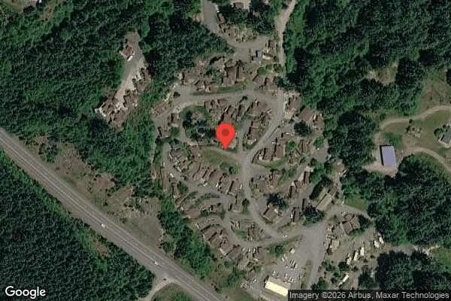
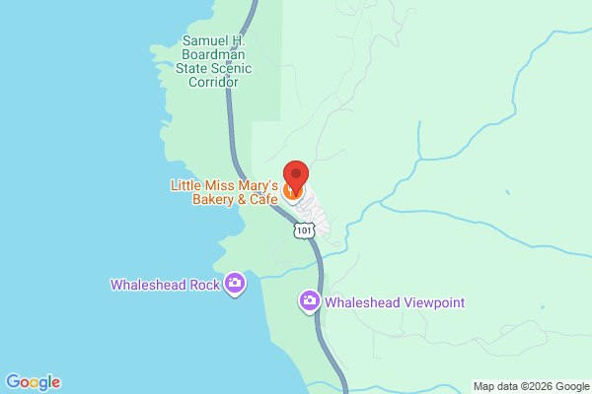

CLICKABLE URLs
Aerial / Satellite | https://www.google.com/maps/search/?api=1&query=19921+Whaleshead+Rd%2C+Brookings%2C+OR&t=k
Roadmap | https://www.google.com/maps/search/?api=1&query=19921+Whaleshead+Rd%2C+Brookings%2C+OR
Street View (Google Maps) | https://www.google.com/maps/@?api=1&map_action=pano&viewpoint=19921+Whaleshead+Rd%2C+Brookings%2C+OR
Driving Directions | https://www.google.com/maps/dir/?api=1&destination=19921+Whaleshead+Rd%2C+Brookings%2C+OR

PROXIMITY TO KEY LANDMARKS
Landmark Type | Name / Address |  | Distance (mi)
Nearest Major Employer #1
Nearest Major Employer #2
Nearest Major Employer #3
Nearest Walmart / Big Box
Nearest Grocery Store
Nearest Hospital / Urgent Care
Nearest Elementary School
Nearest High School
Nearest Community College / University
Nearest Major Highway / Interstate
Downtown (nearest city)
Nearest Airport

DILIGENCE FLAGS
HIGH | Investment Criteria - Spread: DOES NOT MEET INVESTMENT CRITERIA: Stabilized Yield on Cost (9.64%) minus Ingoing Cap Rate (9.16%) = +48 bps, well below GGC's 200 bps minimum. The asset is already ~100% occupied with rents recently increased, leaving little value-add runway. — Recommendation: Reject on the spread test as a value-add deal. HOWEVER, the absolute going-in cap (9.16%) is far above an ~7% market cap, so it may still pencil as a stabilized/yield acquisition. Re-frame as a yield play, not value-add, if pursuing.
HIGH | Less: Bad Debt (underwritten plug): Underwritten bad debt $73,128 vs historical 6120 of only $26,062. Plug is driven by GPR from a Mar-2026 rent roll (rents raised ~6.3% post-T12) being matched to a T3 collections target that predates the increase. — Recommendation: This is loss-to-lease / timing, not true credit loss. Confirm new in-place rents are actually being collected; if so, NOI is understated and true upside is larger. Reconcile rent roll (03/01/26) collections vs P&L.
MEDIUM | RV Site Rental Income (4103): RV lot rent declined ~24% over the T12 (17,051/mo -> 12,995/mo). Shrinking stream. — Recommendation: Diligence RV tenant attrition vs seasonality. Resort/coastal RV income can be volatile. Confirm 18 sites are currently leased annually.
HIGH | Flood Zone: Flood zone status unknown; property is a coastal Oregon beach resort (high flood/tsunami exposure). — Recommendation: Pull FEMA flood map and coastal/tsunami hazard. If zone A/AE/V, apply insurance override (1.2075) and re-underwrite; insurability and premium are deal-critical on the coast.
MEDIUM | 5703 Casual Labour: One-time item detected: Sep 25 showed $10,400 and Oct 25 $10,400 vs ~$0 average across other months. Variance >>2x. — Recommendation: Possible one-time labor project (likely tied to Sep/Oct grounds & tree spikes). Confirm scope with seller. If genuinely one-time, exclude ~$20,800 from the payroll basis.
MEDIUM | 5104 Grounds Maintenance: One-time item detected: Sep 25 $4,229.84 and Oct 25 $4,500 vs ~$2-560 average across other months. Variance >2x. — Recommendation: Possible one-time grounds project. Confirm scope; if one-time, exclude from T12 x 1.03 basis.
MEDIUM | 5102 Tree Maintenance: One-time item detected: only $1,500 (Sep) + $1,500 (Oct 25) vs $0 all other months. — Recommendation: Likely one-time tree work. Confirm; exclude if non-recurring.
MEDIUM | 5001 Advertising: One-time item detected: Dec 24 $1,448 vs ~$58-310 average across other months. Variance >2x. — Recommendation: Likely one-time marketing/listing spend. Confirm; exclude if non-recurring.
MEDIUM | Bulk Cable & Trash pass-through: 5407 Tenant Cable TV costs $69,426/yr (~$547/unit) but only ~$2,659 cable revenue recovered; garbage $22,439 with only $30 recovered. — Recommendation: Material expense-reduction / billback opportunity: renegotiate or sub-meter/pass through cable and trash. Could lift NOI meaningfully.
MEDIUM | Private water/septic system: $12k recurring water testing + septic pumping line indicate a private well/treatment + septic system. — Recommendation: Order well/water-system and septic inspections; assess compliance, capacity, and capital exposure. Material for coastal Oregon.

QUESTIONS FOR SELLER / BROKER
#1 | Confirm the Mar-2026 rent roll in-place rents (~$103,203/mo lot) are actually being collected — this reconciles the large bad-debt plug and determines true NOI.
#2 | Are the Sep/Oct 2025 spikes in Casual Labour ($20,800), Grounds ($8,730), and Tree work ($3,000) a single one-time project? Provide invoices/scope.
#3 | Confirm FEMA flood/tsunami zone designation and current property insurance quote for coastal exposure.
#4 | Is the water system private (well/treatment) and is the wastewater septic? Provide compliance reports and capacity.
#5 | Why did RV lot rent decline ~24% over the T12 — attrition, seasonality, or unit conversion?
#6 | Per-tenant rent roll detail (names, unit IDs, lot/RV designation) was not in the extracted summary — provide the full line-level rent roll for delinquency analysis.
#7 | Provide the actual PRO FORMA column values (forward column existed but values were not transcribed; t12 used as fallback for broker comparison).
#8 | Clarify the blank/unspecified RC row (Caldeira, $984) — confirmed as a TOH MH lot?
#9 | Is bulk cable contractually bundled, and can it be renegotiated or billed back? Same question for trash.

Collections
GARY GROUP CAPITAL

 | Month | GPR | Vacant | Concessions | Bad Debt | Net Rental Income | RUBS | HR Income | RV Income | Parking | Laundry | Other Income | EGI

Trailing 12 month collections None
 | Collections
Jun-24 | $-
Jul-24 | $-
Aug-24 | $-
Sep-24 | $-
Oct-24 | $-
Nov-24 | $-
Dec-24 | $-
Jan-25 | $-
Feb-25 | $-
Mar-25 | $-
Apr-25 | $-
Dec-25 | $-
 | Avg NRI Analysis |  | % Difference |  | Net Rental Income
 | T1 |  |  | T1vsT3
 | T3 |  |  | T3vsT6
 | T6 |  |  | T6vsT12
 | T12

 |  |  |  |  | EGI

Trailing 12 month collections None
 | $-
 | $-
 | $-
 | $-
 | $-
 | $-
 | $-
 | $-
 | $-
 | $-
 | $-
 | $-

